A. Org. Chart
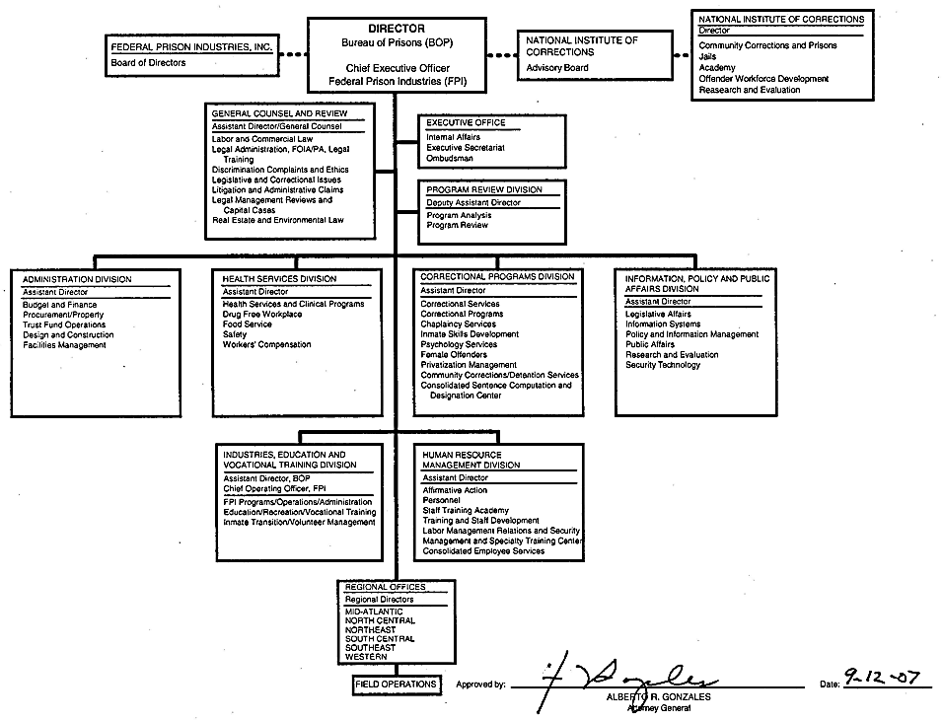
end of line
end of line
end of line
end of line
end of line
end of line
end of line
end of line
end of line
end of line
end of line
end of line
end of line
end of line
end of line
end of line
end of line
end of line
end of line
end of line
end of line
end of line
end of line
end of line
end of line
end of line
end of line
end of line
end of sheet

