A. Organization Chart
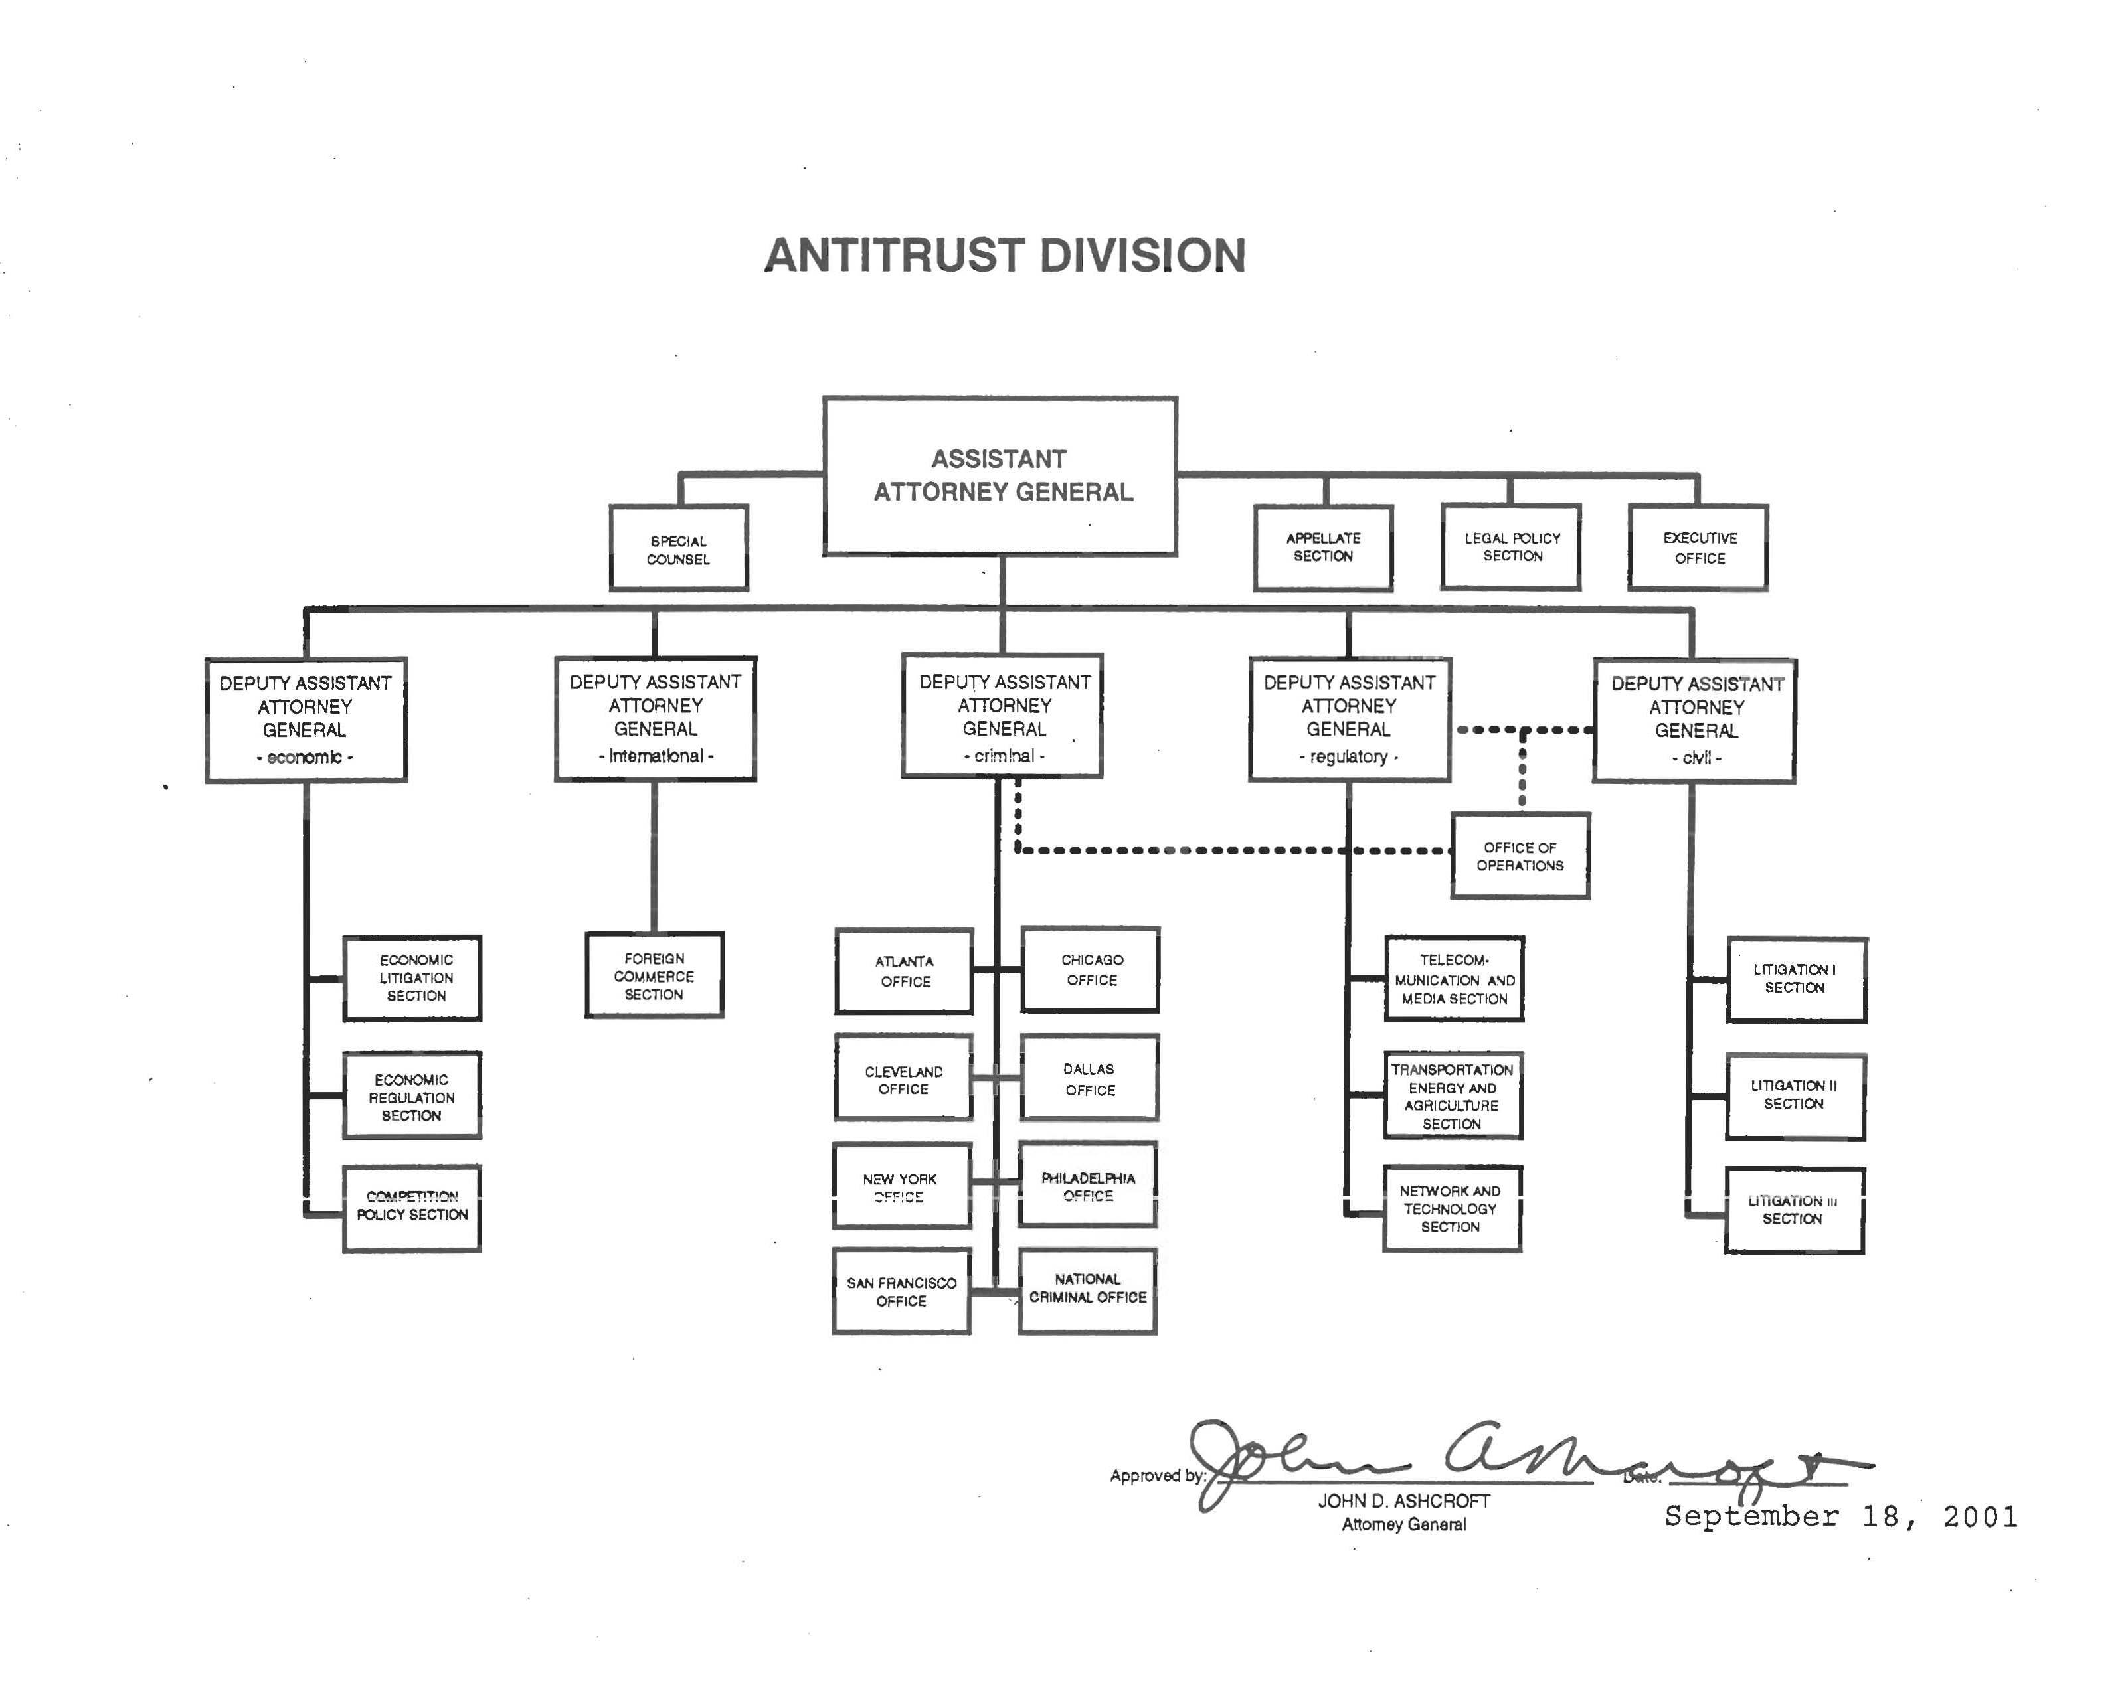
A: Organizational Chart |  | end of line
 |  | end of line
 |  | end of line
 | Note: Unless proposing a restructure the organizational chart is not necessary. | end of line
 |  | end of line
 |  | end of line
 |  | end of line
 |  | end of line
 |  | end of line
 |  | end of line
 |  | end of line
 |  | end of line
 |  | end of line
 |  | end of line
 |  | end of line
 |  | end of line
 |  | end of line
 |  | end of line
 |  | end of line
 |  | end of line
 |  | end of line
 |  | end of line
 |  | end of line
 |  | end of line
 |  | end of line
 |  | end of line
 |  | end of line
 |  | end of line
 |  | end of sheet

2012 template

FY 2011 CJ Submission

