A. Organizational Chart
A: Organizational Chart | end of line
 | end of line
 | end of line
 | end of line
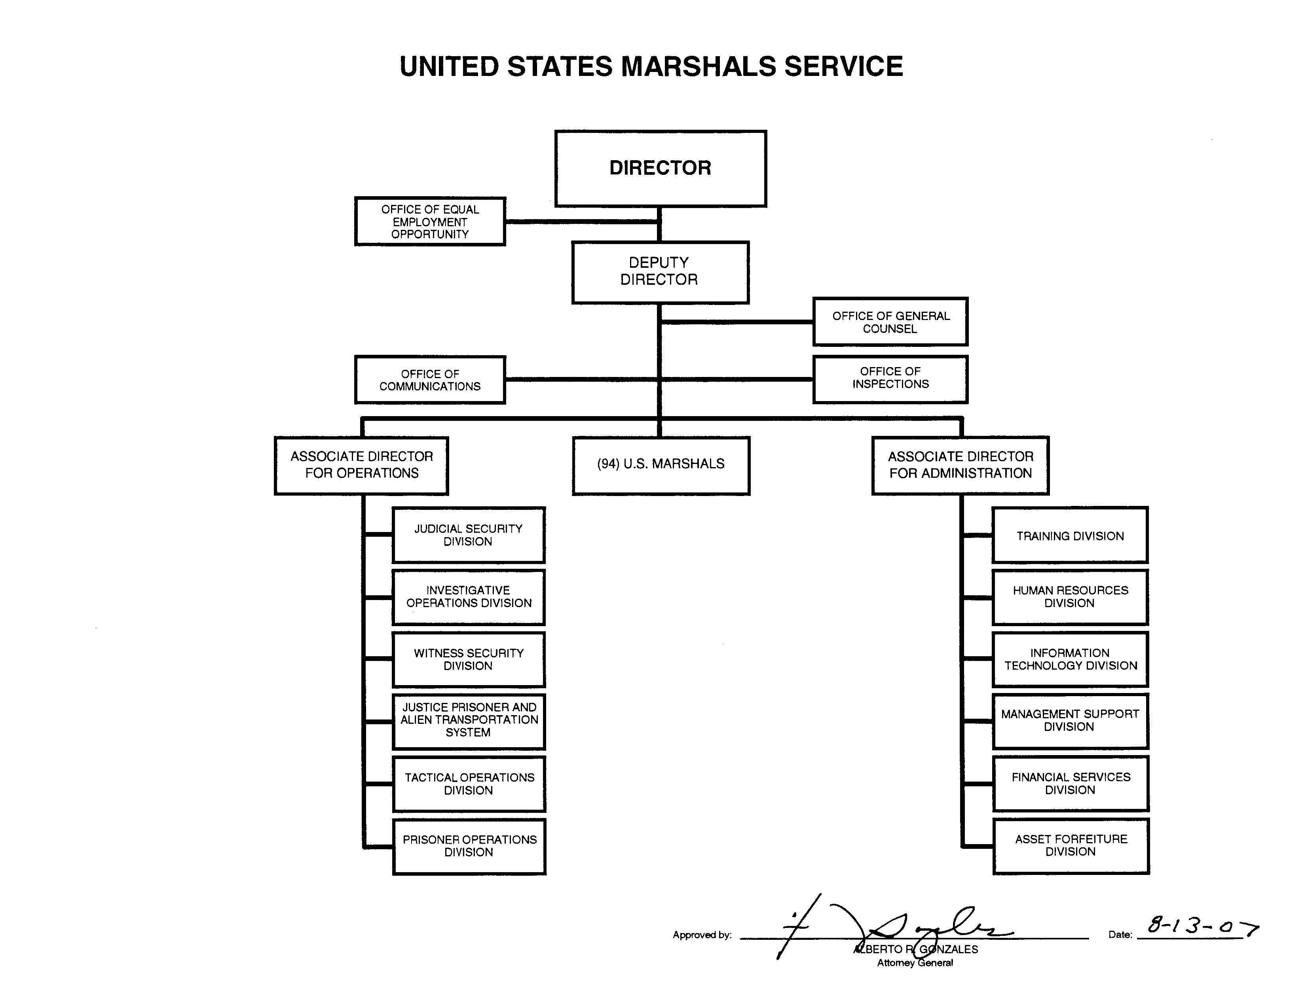
 | end of line
 | end of line
 | end of line
 | end of line
 | end of line
 | end of line
 | end of line
 | end of line
 | end of line
 | end of line
 | end of line
 | end of line
 | end of line
 | end of line
 | end of line
 | end of line
 | end of line
 | end of line
 | end of line
 | end of line
 | end of line
 | end of line
 | end of line
 | end of line
 | end of line
 | end of line
 | end of sheet

