A. Organization Chart
A: Organizational Chart
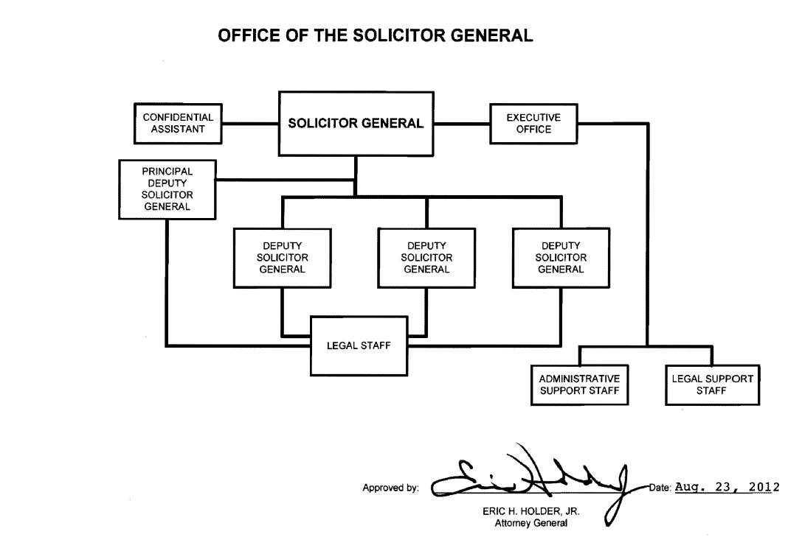

2013 Spring call template

2012 template

FY 2011 CJ Submission

